1. Title Page
[Grocery Basket Analysis]

Project Name: Grocery Basket Analysis
Date: 13.08.2023
Analyst Name: Parvin Rahimi

Contents:
Population Flow
Consistency checks
Wrangling steps
Column derivations
Visualizations
Recommendations

2. Population Flow
 |  |  | Title page

Population flow

Exclusion flag
Condition: max_order < 5
Obervations to be removed: 1440295
Final total count of order_products_all: 30964564

Orders_products_combined
Orders_products_merged
Orders_products_all

Total:
Total:
Total:
32434489 | 32404859 | 32404859

1.) The grey boxes in the first row of the population flow represent the original data sets as they were when you downloaded them. In the Total fields you need to add the count of the rows when you imported the data set into Jupyter.
2.) The second row of boxes (coloured) represents the data sets after you manipulated them, e.g., removed missing values and duplicates. In the Total fields you need to add the count of the rows after conducting these operations. This offers a visual oveview of how the data flows throughout the data consistency checks.
3.) The third row, where also the arrows are coloured, represents the merges you performed between the datasets. In the Total fields you need to add the count of the rows in the merged datasets, so that you end up with the final dataset (in the red box). Keep in mind the final dataset should be without exclusions (based on the exclusion flag).

3. Consistency checks
 |  |  |  | Title page
Consistency checks

Dataset | Missing values | Missing values treatment | Duplicates
orders | Column last_order_in_days is missing 206209 | nothing | nothing
products | product_name 16 values are missing | dropped using a subset | 5 duplicates were deleted
aggregated_data | prices > 100 => np.nan / the prices are not reasonable
departments | 0 | 0 | nothing

4. Wrangling steps
 |  |  |  | Title page
Wrangling steps

Columns dropped | Columns renamed | Columns' type changed | Comment/Reason
 |  | user_id int64 to string | The numbers entered in this column are not numerical.
 |  | order_id int64 to string | The numbers entered in this column are not numerical.
 | order_dow to orders_day_of_week |  | title was not intuitive
 | days_since_prior_order to last_order_in_days |  | title was not intuitive
eval_set |  |  | redundent for this analysis
 | Unkonwn 0 to Row_Number |  | title was not intuitive
 | num_dependants => number_of_dependants |  | title was not intuitive.
 | Surnam |  | Surnam to Surname= spelled wrong
 | Gender |  | gender for consistency
 | Age |  | age for consistency
 | STATE |  | state for consistency
 | FIRST NAME |  | first_name
 |  | user_id int64 to string | The numbers entered in this column are not numerical.
 |  | First Name mixed to String
 |  | region to string | not integer
unname:0_x |  |  | unnecessary column
unname:0_y |  |  | unnecessary column
eval_set |  |  | unnecessary column
_merge |  |  | duplicated after merging another dataframe
Row_Number |  |  | unnecessary column
first_name |  |  | data privacy
surname |  |  | data privacy
all data with low activity customers were deleted
 | unnamed: 0 in departments to department_id |  | to merge with the final data

5. Column derivations
 |  |  |  | Title page

Column derivations and aggregations

In this tab you should add tables below that the frequences of flags/label variables that you produced after deriving them. NB: don't do this for continuous variables, only for flags.
Dataset | New column | Column/s it was derived from | Conditions
orders_products_merged | price_range_loc | prices | loc: >15, <=5, >5 & <=15
orders_products_merged | busiest_day | orders_day_of_week | 0=Busiest day, 4=least busy, else=regularly busy
orders_products_merged | Busiest_days | orders_day_of_week | 0 & 1=Busiest day, 3 & 4=least busy, else=regularly busy
orders_products_merged | busiest_hour_of_day | order_hour_of_day | values >= 17="Most orders,” values=8,18,19 “Average orders,” else= “Fewest orders.”
orders_products_merged | max_order | order_number | max number of order by user
orders_products_merged | loyalty_flag | max_order | max>40= loyal customer , max<=40 or >10= regular customer , max<=10= new customer
orders_products_merged | Average_price | prices | average price of each user's orders
orders_products_merged | spending_flag | average_prices | average price >=10=high spender, average price<10=low spender
orders_products_merged | median_days_last_order | last_order_in_day | median days from last order
orders_products_merged | order-frequency_flag | median_days_last_order | median>20=non_frequent customer, median>10 and <=20=regular customer, median<=10=frequent customer
final_data | region | state | midwest, west, south, northeast
final_data | customer_activity | max_order | Low and High customer activity for orders less than 5 and higher than 5
departments | department | Unnamed: 0 | name of the departments
high-activity-customers | age_income_dependant_var | Age, Income and dependants | - young high income parent: >25 & <=40 years; income >=100000; at least 2 dependants
 |  |  | - single high income: <=40 years; income >=100000; no dependants
 |  |  | - low income parent: income <100000; at least 2 dependants
 |  |  | - single low income: <40 years; income <100000
final_df_4_10 | price_flag |  | <=15 : cheap, >15 & <=35: mid range price, >35: expensive

6. Visualizations
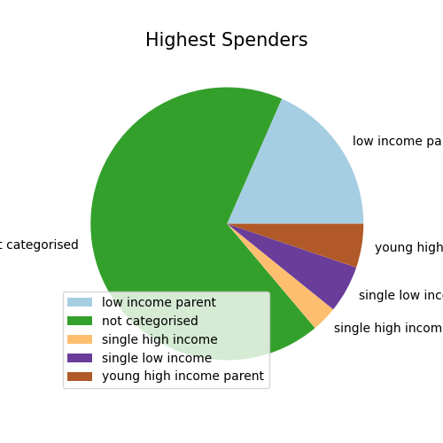
 |  | Title page

Visualisations

In this tab you should include all the visualtions from Exercises 4.9 and 4.10, alongside the questions from the project brief that they answer. Include any commentary on the relationship between different variables.

 | Busiet days of week:
 | Saturday and Monday



Price range of products with a bin of 25 after cleaning data and removing prices > 100:
most products cost between $1 and $15, a few cost $15 to $25


Price range of products with a bin of 25 after cleaning data and removing prices > 100:



days that people spend the most:
Most money is spent on Saturday and Sunday.
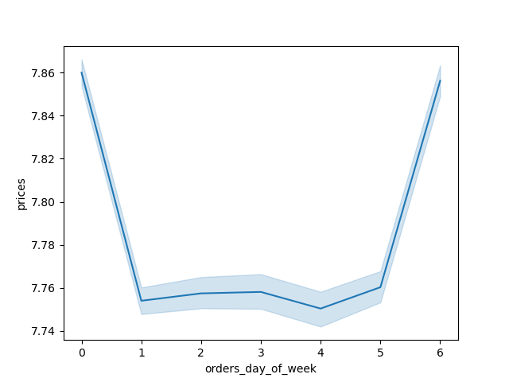

Busiest hour of day:
According to the histogram the peak hours of ordering are between 9 am and 5 pm. From 5 to 9 am sells increase steadily. after 5 pm sales decrease.



the distribution of orders among customers in terms of loyalty
Regular customers are higher in number compared to other groups.


Particular times of the day when people spend the most money:
It seems that the total purchase btw midnight and 5 am are higher that the rest of the day!
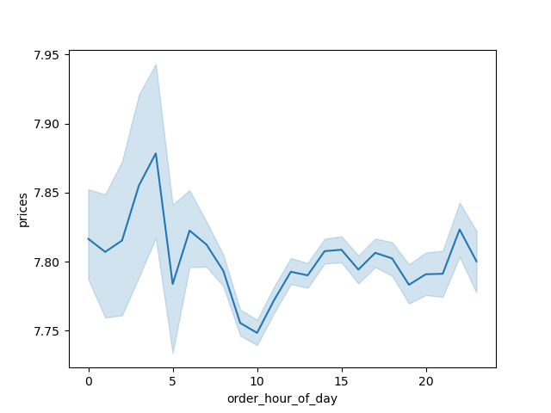

Is there a connection between age and family situation?
There seems to be no connection between the age and the number of dependants.
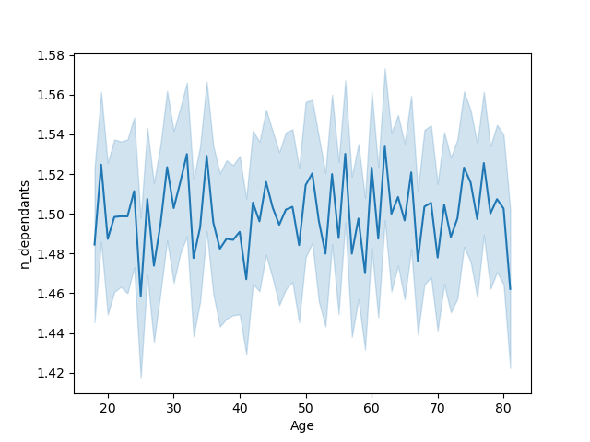

Determine whether there’s a difference in spending habits between the different U.S. regions:
As shown on the stack bar, we can see, that in all regions the "High Spenders" are very marginal.

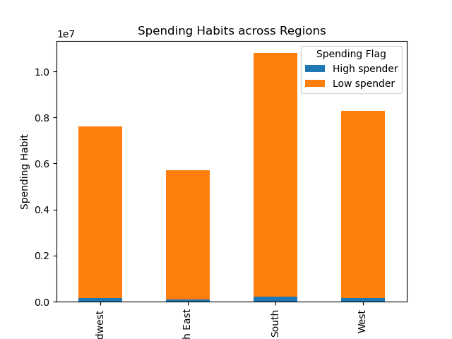

How do customers differ regionally?

 | The number of Low income parents and single low income customers are higher in the South.
 | The number of single high income customers and young high income parents are almost the same across regions.

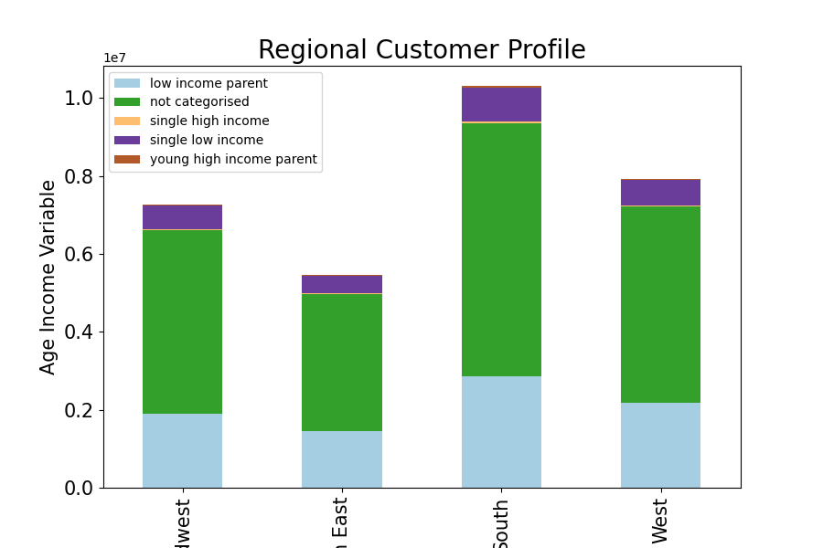

Is there a relationship btw income_age_dependant variable and ordering hour?
All groups show similar behaviour regarding purchasing hours.Between 8 am and 5 pm purchase increases with a peak at 10 am.
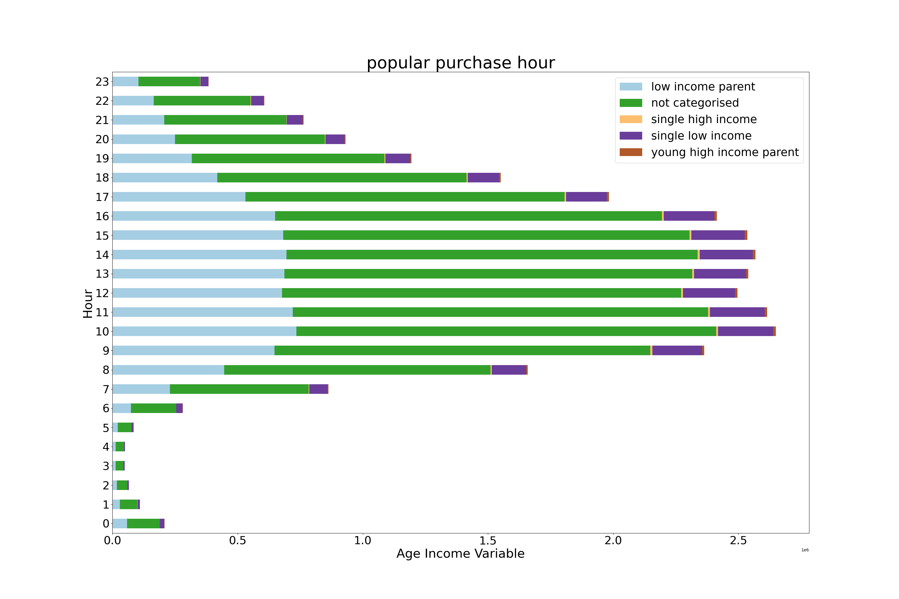

Is there a relationship btw income_age_dependant variable and items bought?

 | Low income parents spend more on dairy, egg, produce and snacks!
 | Single low income customers are also surprisingly among top 3 spenders on the same products as the low income parents.
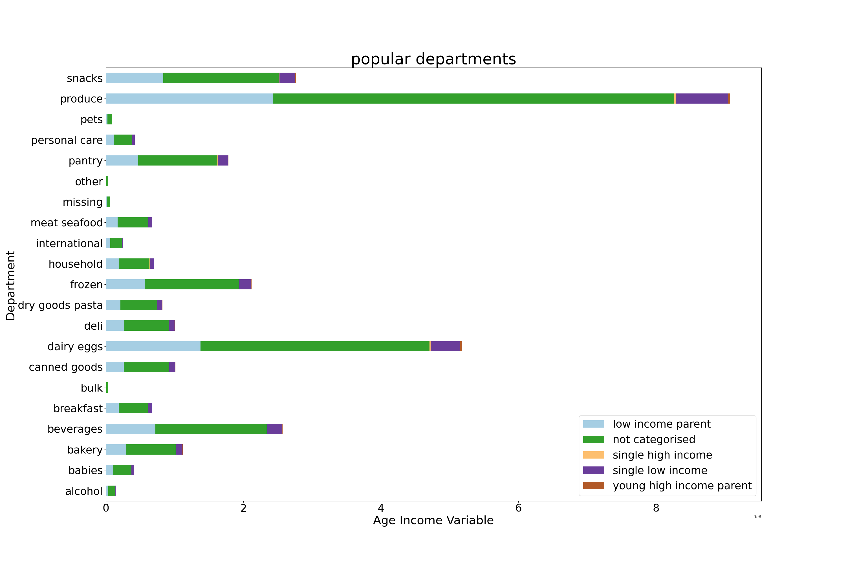

Which group spends the most?
Low income parents are among the highest spenders in our customer profile.

7. Recommendations
 |  | Title page

Recommendations

In this tab you should include any recommendations you would made to Instcart in terms of their marketing strategy based on the questions posed in the brief. Every key question has been covered in the Tasks of the Exercises - here you need to add an item - a visualisation or table/crosstable that is showing the answer in the data, acompanied by a comment from you. Please, list the questions below and add the answer underneath.

Key Question 1
 | ● The sales team needs to know what the busiest days of the week and hours of the
 | day are (i.e., the days and times with the most orders) in order to schedule ads at
 | times when there are fewer orders.

Recommendation:
 | Based on the charts the busiest days of the week are Saturday and Monday between 9 am and 5 pm.

Key Question 2
 | ● They also want to know whether there are particular times of the day when people
 | spend the most money, as this might inform the type of products they advertise at
 | these times.

Recommendation:
It seems that the total purchase btw midnight and 5 am are higher that the rest of the day.

Key Question 3
 | ● Instacart has a lot of products with different price tags. Marketing and sales want to
 | use simpler price range groupings to help direct their efforts.
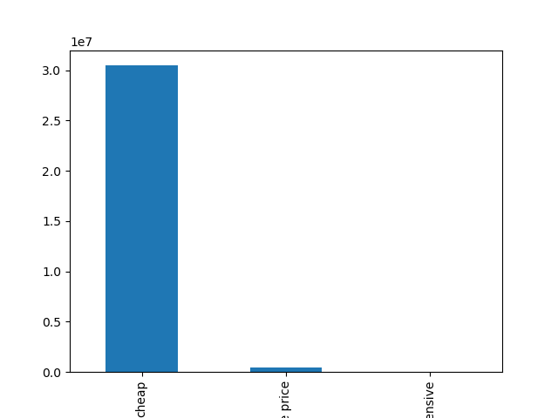

Recommendation:
Cheap products unde $15 comprise the majority of products with a total order of 30473619.

Key Question 4
 | ● Are there certain types of products that are more popular than others? The marketing
 | and sales teams want to know which departments have the highest frequency of
 | product orders.
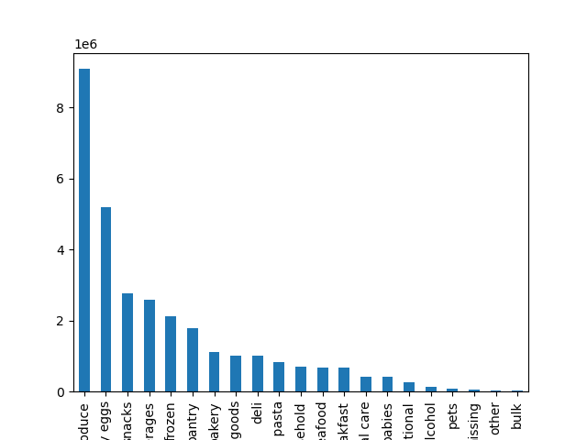

Recommendation:
Produce and dairy eggs are the most popular departments.

Key Question 5
 | ● The marketing and sales teams are particularly interested in the different types of
 | customers in their system and how their ordering behaviors differ. For example:
 | ○ What’s the distribution among users in regards to their brand loyalty (i.e., how
 | often do they return to Instacart)?
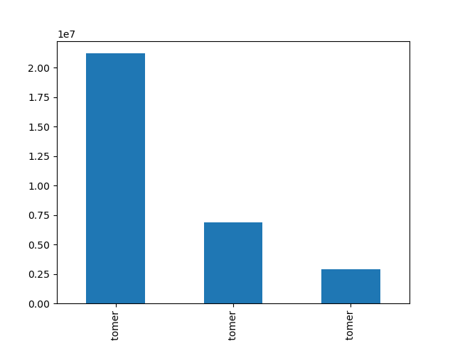

Recommendation:
The majority of the customers of Instacart are loyal to the brand and come back in less than 10 days.

 | ○ Are there differences in ordering habits based on a customer’s loyalty status?

Recommendation:
Regular customers are higher in number compared to other loyalty groups.

 | ○ Are there differences in ordering habits based on a customer’s region?

Recommendation:
As shown on the stack bar, we can see, that in all regions the "High Spenders" are very marginal.

 | ○ Is there a connection between age and family status in terms of ordering
 | habits?

Recommendation:
All groups show similar behaviour regarding purchasing hours.Between 8 am and 5 pm purchase increases with a peak at 10 am.

 | ○ What different classifications does the demographic information suggest?
 | Age? Income? Certain types of goods? Family status?

Recommendation: (Note: the focus of the analysis is on customers younger than 40)
Low income parents spend more on dairy, egg, produce and snacks!
Single low income customers are also surprisingly among top 3 spenders on the same products as the low income parents.
Low income parents are among the highest spenders in our customer profile.

